Sheet1
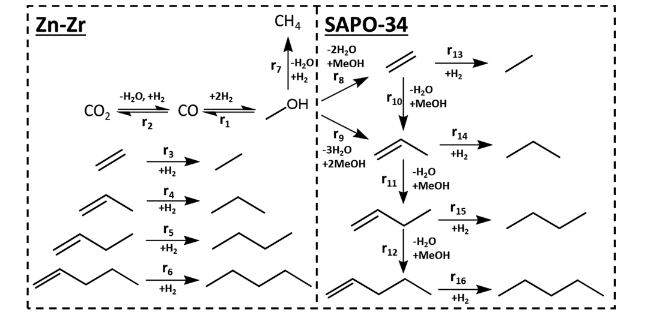
K water | 390 C | 6.72E-14

R. No. | log(k) | k | k' | Ea (kcal/mol) |  |  | Denominator kinetics (theta)
1 | -1.8 | 0.0158 | 2.36E+11 | 54 |  | 1.681590545E+12 |  | log(K) | K | Ea (kcal/mol)
2 | - | - | - | - |  | - | CO | -1.9 | 0.0126 | 35 | 0.089761381861
3 | -2.1 | 0.0079 | 1.18E+11 | 79 |  | 8.4279171333E+11 | H2O | 0 | 1.0000 | 0 | 7.13
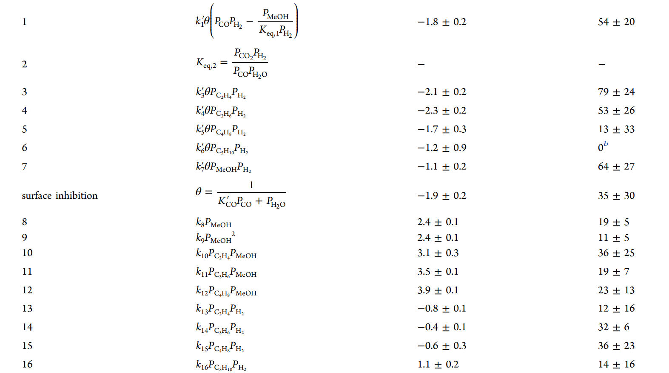
4 | -2.3 | 0.0050 | 7.46E+10 | 53 |  | 5.3176562139E+11
5 | -1.7 | 0.0200 | 2.97E+11 | 13 |  | 2.1169970693E+12
6 | -1.2 | 0.0631 | 9.39E+11 | 0 |  | 6.6945325389E+12
7 | -1.1 | 0.0794 | 1.18E+12 | 64 |  | 8.4279171333E+12 | Keq 1
8 | 2.4 | 251.1886 | 3.74E+15 | 19 | 1.79E+03 |  | 1.67E-05 | 6.00E+04
9 | 2.4 | 251.1886 | 3.74E+15 | 11 | 1.79E+03 |  | 9.51E+02 | 2.64E-07
10 | 3.1 | 1258.9254 | 1.87E+16 | 36 | 8.98E+03 |  | 1.42E+16 | 3.93E+06
11 | 3.5 | 3162.2777 | 4.71E+16 | 19 | 2.25E+04 |  | 1.01E+17 | 2.80E+07
12 | 3.9 | 7943.2823 | 1.18E+17 | 23 | 5.66E+04
13 | -0.8 | 0.1585 | 2.36E+12 | 12 | 1.13E+00
14 | -0.4 | 0.3981 | 5.92E+12 | 32 | 2.84E+00
15 | -0.6 | 0.2512 | 3.74E+12 | 36 | 1.79E+00
16 | 1.1 | 12.5893 | 1.87E+14 | 14 | 8.98E+01

